Table of Contents
 |  |  | Cost Accounting for Indoor & Outdoor Plants (Version 3.05) By Robin G. Brumfield, PhD
Table of Contents

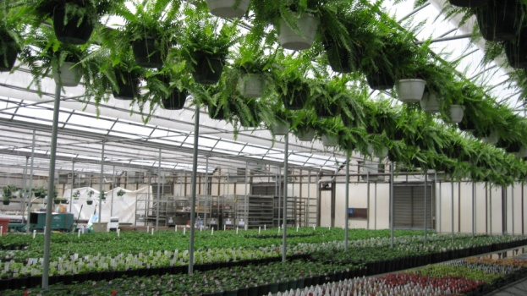
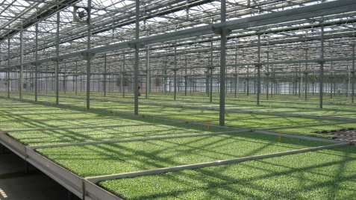
 | DATA INPUT SCREENS
Step 1:
Step 2:
Step 3:

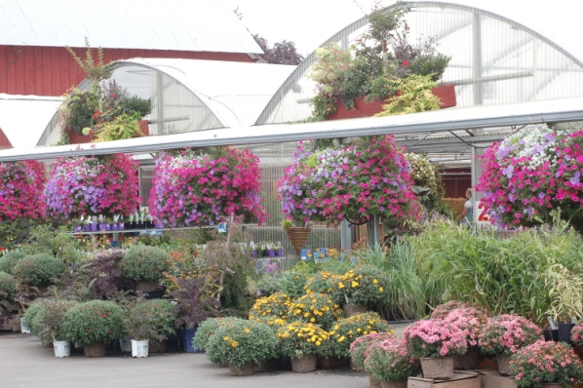
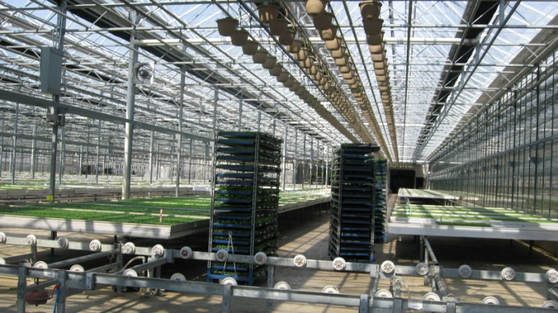
 | VIEW THE RESULTS
 | Greenhouse | Outdoor

Costs Per Crop
Costs Per Crop

Cashflow
Cashflow

Copyright © 2002-2017 Rutgers, the State University of New Jersey
Department of Agriculture, Food and Resource Economics, 55 Dudley Road, New Brunswick, NJ 08901-8520

Greenhouse Crops
Print Input Sheet:
Step 2: Input Greenhouse Crops
Enter up to 40 greenhouse crops (1 per line) along with the costs, size and sales figures for each crop. |  | GREENHOUSE INPUT AREA 1 |  |  |  |  |  |  | GREENHOUSE INPUT AREA 2 |  |  |  |  |  |  | GREENHOUSE INPUT AREA 3 |  |  |  |  |  |  | GREENHOUSE INPUT AREA 4
GREENHOUSE CROPS | Units |  | Labor |  |  | Seedstock ($) |  | GREENHOUSE CROPS | Containers ($) |  | Media ($) |  | Fertilizer & Chemicals ($) |  | GREENHOUSE CROPS | Tags ($) |  | Heating & Fuel ($) |  | Marketing Containers ($) |  | GREENOUSE CROPS | Sales Commissions ($) |  | Other Direct Costs ($) |  | FINAL INPUT SECTION
Greenhouse Crop Name | Description | Number of Units Started | LaborCost Per Unit (from Greenhouse Labor Tab) | Labor Cost Per Unit | Total Labor ($) (E+F) x D | Seedstock Cost Per Unit | Total Seedstock | Crop (Unit) | Container Cost Per Unit | Total Container Cost | Media Cost Per Unit | Total Media Cost | Fertilizer, Chemicals Cost Per Unit | Total Fertilizers & Chemicals | Crop (Unit) | Tag Cost Per Unit | Total Tag Cost | Heating & Fuel Per Unit | Total Heating & Fuel | Marketing Containers Per Unit | Total Marketing Containers | Crops (Unit) | Sales Com. Per Unit | Total Sales Commissions | Other Direct Costs Per Unit | Total Other Direct Costs | Sq. Ft. Per Unit | Weeks to Grow | Percent Sold (%) | Sales Price Per Unit ($) | calculations
Petunia Flats |  | 50,000 | $3.370 |  | $168,500.00 | $0.550 | $27,500.00 | Petunia Flats () | $0.730 | $36,500.00 | $0.200 | $10,000.00 | 0.100 | $5,000.00 | Petunia Flats () | 0.160 | $8,000.00 |  | $0.00 |  | $0.00 | Petunia Flats () |  | $0.00 |  | $0.00 | 1.64 | 8 | 98% | $7.93 | 656000
Marigold Flats |  | 50,000 | $3.370 |  | $168,500.00 | $0.350 | $17,500.00 | Marigold Flats () | $0.730 | $36,500.00 | $0.200 | $10,000.00 | 0.100 | $5,000.00 | Marigold Flats () | 0.160 | $8,000.00 |  | $0.00 |  | $0.00 | Marigold Flats () |  | $0.00 |  | $0.00 | 1.64 | 6 | 98% | $7.00 | 492000
Geranium Flats |  | 50,000 | $3.370 |  | $168,500.00 | $3.750 | $187,500.00 | Geranium Flats () | $0.730 | $36,500.00 | $0.200 | $10,000.00 | 0.150 | $7,500.00 | Geranium Flats () | 0.160 | $8,000.00 |  | $0.00 |  | $0.00 | Geranium Flats () |  | $0.00 |  | $0.00 | 1.64 | 13 | 98% | $11.73 | 1066000
Geraniums 4-inch pots |  | 100,000 | $0.820 |  | $82,000.00 | $0.140 | $14,000.00 | Geraniums 4-inch pots () | $0.090 | $9,000.00 | $0.023 | $2,300.00 | 0.090 | $9,000.00 | Geraniums 4-inch pots () | 0.160 | $16,000.00 |  | $0.00 |  | $0.00 | Geraniums 4-inch pots () |  | $0.00 |  | $0.00 | 0.11 | 6 | 95% | $1.66 | 66000
Poinsettias 6-inch pots |  | 126,000 | $1.000 |  | $126,000.00 | $1.540 | $194,040.00 | Poinsettias 6-inch pots () | $0.180 | $22,680.00 | $0.040 | $5,040.00 | 0.110 | $13,860.00 | Poinsettias 6-inch pots () | 0.160 | $20,160.00 |  | $0.00 |  | $0.00 | Poinsettias 6-inch pots () |  | $0.00 |  | $0.00 | 1.00 | 15 | 95% | $5.46 | 1890000
 |  |  |  |  |  |  |  |  |  |  |  |  |  |  |  |  |  |  |  |  |  |  |  |  |  |  |  |  |  |  | 0
 |  |  |  |  |  |  |  |  |  |  |  |  |  |  |  |  |  |  |  |  |  |  |  |  |  |  |  |  |  |  | 0
 |  |  |  |  |  |  |  |  |  |  |  |  |  |  |  |  |  |  |  |  |  |  |  |  |  |  |  |  |  |  | 0
 |  |  |  |  |  |  |  |  |  |  |  |  |  |  |  |  |  |  |  |  |  |  |  |  |  |  |  |  |  |  | 0
 |  |  |  |  |  |  |  |  |  |  |  |  |  |  |  |  |  |  |  |  |  |  |  |  |  |  |  |  |  |  | 0
 |  |  |  |  |  |  |  |  |  |  |  |  |  |  |  |  |  |  |  |  |  |  |  |  |  |  |  |  |  |  | 0
 |  |  |  |  |  |  |  |  |  |  |  |  |  |  |  |  |  |  |  |  |  |  |  |  |  |  |  |  |  |  | 0
 |  |  |  |  |  |  |  |  |  |  |  |  |  |  |  |  |  |  |  |  |  |  |  |  |  |  |  |  |  |  | 0
 |  |  |  |  |  |  |  |  |  |  |  |  |  |  |  |  |  |  |  |  |  |  |  |  |  |  |  |  |  |  | 0
 |  |  |  |  |  |  |  |  |  |  |  |  |  |  |  |  |  |  |  |  |  |  |  |  |  |  |  |  |  |  | 0
 |  |  |  |  |  |  |  |  |  |  |  |  |  |  |  |  |  |  |  |  |  |  |  |  |  |  |  |  |  |  | 0
 |  |  |  |  |  |  |  |  |  |  |  |  |  |  |  |  |  |  |  |  |  |  |  |  |  |  |  |  |  |  | 0
 |  |  |  |  |  |  |  |  |  |  |  |  |  |  |  |  |  |  |  |  |  |  |  |  |  |  |  |  |  |  | 0
 |  |  |  |  |  |  |  |  |  |  |  |  |  |  |  |  |  |  |  |  |  |  |  |  |  |  |  |  |  |  | 0
 |  |  |  |  |  |  |  |  |  |  |  |  |  |  |  |  |  |  |  |  |  |  |  |  |  |  |  |  |  |  | 0
 |  |  |  |  |  |  |  |  |  |  |  |  |  |  |  |  |  |  |  |  |  |  |  |  |  |  |  |  |  |  | 0
 |  |  |  |  |  |  |  |  |  |  |  |  |  |  |  |  |  |  |  |  |  |  |  |  |  |  |  |  |  |  | 0
 |  |  |  |  |  |  |  |  |  |  |  |  |  |  |  |  |  |  |  |  |  |  |  |  |  |  |  |  |  |  | 0
 |  |  |  |  |  |  |  |  |  |  |  |  |  |  |  |  |  |  |  |  |  |  |  |  |  |  |  |  |  |  | 0
 |  |  |  |  |  |  |  |  |  |  |  |  |  |  |  |  |  |  |  |  |  |  |  |  |  |  |  |  |  |  | 0
 |  |  |  |  |  |  |  |  |  |  |  |  |  |  |  |  |  |  |  |  |  |  |  |  |  |  |  |  |  |  | 0
 |  |  |  |  |  |  |  |  |  |  |  |  |  |  |  |  |  |  |  |  |  |  |  |  |  |  |  |  |  |  | 0
 |  |  |  |  |  |  |  |  |  |  |  |  |  |  |  |  |  |  |  |  |  |  |  |  |  |  |  |  |  |  | 0
 |  |  |  |  |  |  |  |  |  |  |  |  |  |  |  |  |  |  |  |  |  |  |  |  |  |  |  |  |  |  | 0
 |  |  |  |  |  |  |  |  |  |  |  |  |  |  |  |  |  |  |  |  |  |  |  |  |  |  |  |  |  |  | 0

 |  |  |  |  |  |  |  |  |  |  |  |  |  |  |  |  |  |  |  |  |  |  |  |  |  |  |  |  |  |  | 0
Totals: |  | 376,000 |  |  | $713,500.00 |  | $440,540.00 |  |  | $141,180.00 |  | $37,340.00 |  | $40,360.00 |  |  | $60,160.00 |  | $0.00 |  | $0.00 |  |  | $0.00 |  | $0.00 |  |  |  |  | 4,170,000

Results-Outdoor Costs|Unit
Next ->
Next ->
Results: Costs Per Unit For Outdoor Crops ()
 | Results: Costs Per Unit For Outdoor Crops ()
Crop Name | Cost of Labor per Unit | Cost of Seeds per Unit | Cost of Containers per Unit | Cost of Media per Unit | Cost of Fertilizers & Chemicals per Unit | Cost of Tags per Unit | Cost of Fuel per Unit | Other Direct Costs per Unit | Overhead Costs per Unit | Loss Factor per Unit | Total Cost per Unit | Sales Price per Unit | Profit (Loss) per Unit
Cut Flowers (bunch) | $0.57 | $1.91 |  |  | $0.02 |  |  | $0.04 | $0.15 | $0.16 | $3.23 | $4.00 | $0.77

Results- Greenhouse Cash Flow
Next ->
Next ->
From Income Statement Previous Year
 | Greenhouse |  |  |  |  |  |  |  |  |  |  |  | Cash Flow Begins: | _________ | Greenhouse
 | Cash Flow (12 months) |  |  |  |  |  |  |  |  |  |  |  |  |  | Cash Flow (12 months)
 |  | Jan | Feb | Mar | Apr | May | Jun | Jul | Aug | Sep | Oct | Nov | Dec | Total Item
$128,362 | Cash on Hand (beg of month) | $128,362 | -$449,555 | -$567,671 | -$677,788 | -$269,198 | $282,899 | $477,960 | $505,021 | $522,082 | $263,363 | $260,424 | $224,558 |  | Cash on Hand (beg of month)

 | CASH RECEIPTS |  |  |  |  |  |  |  |  |  |  |  |  |  | CASH RECEIPTS
$2,120,243 | Gross Income | $6,000 | $2,000 | $10,000 | $522,243 | $750,000 | $300,000 | $50,000 | $40,000 | $20,000 | $20,000 |  | $400,000 | $2,120,243 | Gross Income
 | Collections from Accounts Receivable accounts |  |  |  |  |  |  |  |  |  |  |  |  | $0 | Collections from Accounts Receivable accounts
 | Other Income |  |  |  |  |  |  |  |  |  |  |  |  | $0 | Other Income
 | Other Income |  |  |  |  |  |  |  |  |  |  |  |  | $0 | Other Income
$2,120,243 | TOTAL CASH RECEIPTS | $6,000 | $2,000 | $10,000 | $522,243 | $750,000 | $300,000 | $50,000 | $40,000 | $20,000 | $20,000 | $0 | $400,000 | $2,120,243 | TOTAL CASH RECEIPTS
$128,362 | Total Cash Available (before cash out) | $134,362 | -$447,555 | -$557,671 | -$155,545 | $480,802 | $582,899 | $527,960 | $545,021 | $542,082 | $283,363 | $260,424 | $624,558 |  | Total Cash Available (before cash out)

 | CASH PAID OUT |  |  |  |  |  |  |  |  |  |  |  |  |  | CASH PAID OUT
 | Direct Costs: |  |  |  |  |  |  |  |  |  |  |  |  | $0 | Direct Costs:
$440,540 | Seeds, cuttings, or plants | $246,500 |  |  |  |  |  |  |  | $194,040 |  |  |  | $440,540 | Seeds, cuttings, or plants
$141,180 | Pots or containers | $118,500 |  |  |  |  |  |  |  | $22,680 |  |  |  | $141,180 | Pots or containers
$0 | Marketing Containers |  |  |  |  |  |  |  |  |  |  |  |  | $0 | Marketing Containers
$37,340 | Growing Media | $32,300 |  |  |  |  |  |  |  | $5,040 |  |  |  | $37,340 | Growing Media
$40,360 | Fertilizer and chemicals | $26,500 |  |  |  |  |  |  |  | $13,860 |  |  |  | $40,360 | Fertilizer and chemicals
$60,160 | Tags | $40,000 |  |  |  |  |  |  |  | $20,160 |  |  |  | $60,160 | Tags
$0 | Sales Commissions |  |  |  |  |  |  |  |  |  |  |  |  | $0 | Sales Commissions
$0 | Other |  |  |  |  |  |  |  |  |  |  |  |  | $0 | Other
$719,580 | Total Direct Costs | $463,800 | $0 | $0 | $0 | $0 | $0 | $0 | $0 | $255,780 | $0 | $0 | $0 | $719,580 | Total Direct Costs
 | Salaries |  |  |  |  |  |  |  |  |  |  |  |  | $0 | Salaries
$39,667 | Overhead salaries | $3,305.58 | $3,305.58 | $3,305.58 | $3,305.58 | $3,305.58 | $3,305.58 | $3,305.58 | $3,305.58 | $3,305.58 | $3,305.58 | $3,305.58 | $3,305.58 | $39,667 | Overhead salaries
$0 | FICA |  |  |  |  |  |  |  |  |  |  |  |  | $0 | FICA
$0 | Unemployment insurance |  |  |  |  |  |  |  |  |  |  |  |  | $0 | Unemployment insurance
$0 | Workmen's compensation |  |  |  |  |  |  |  |  |  |  |  |  | $0 | Workmen's compensation
 | Wages |  |  |  |  |  |  |  |  |  |  |  |  | $0 | Wages
$713,502 | General wages (exact withdrawal) | $84,250 | $84,250 | $84,250 | $84,250 | $168,500 | $82,000 |  |  |  |  |  | $126,000 | $713,500 | General wages (exact withdrawal)
$0 | FICA |  |  |  |  |  |  |  |  |  |  |  |  | $0 | FICA
$0 | Unemployment insurance |  |  |  |  |  |  |  |  |  |  |  |  | $0 | Unemployment insurance
$0 | Workmen's compensation |  |  |  |  |  |  |  |  |  |  |  |  | $0 | Workmen's compensation
 | Utilities |  |  |  |  |  |  |  |  |  |  |  |  | $0 | Utilities
$77,566 | Heating fuel / Machinery Fuel | $12,928 | $12,928 | $12,928 | $6,464 | $6,464 |  |  |  |  |  | $12,928 | $12,928 | $77,566 | Heating fuel / Machinery Fuel
$40,352 | Electricity | $3,363 | $3,363 | $3,363 | $3,363 | $3,363 | $3,363 | $3,363 | $3,363 | $3,363 | $3,363 | $3,363 | $3,363 | $40,352 | Electricity
$5,394 | Telephone | $450 | $450 | $450 | $450 | $450 | $450 | $450 | $450 | $450 | $450 | $450 | $450 | $5,394 | Telephone
$164 | Water | $14 | $14 | $14 | $14 | $14 | $14 | $14 | $14 | $14 | $14 | $14 | $14 | $164 | Water
 | Overhead |  |  |  |  |  |  |  |  |  |  |  |  | $0 | Overhead
$7,930 | Interest | $661 | $661 | $661 | $661 | $661 | $661 | $661 | $661 | $661 | $661 | $661 | $661 | $7,930 | Interest
$43,779 | Repairs | $3,648 | $3,648 | $3,648 | $3,648 | $3,648 | $3,648 | $3,648 | $3,648 | $3,648 | $3,648 | $3,648 | $3,648 | $43,779 | Repairs
$25,681 | Taxes | $2,140 | $2,140 | $2,140 | $2,140 | $2,140 | $2,140 | $2,140 | $2,140 | $2,140 | $2,140 | $2,140 | $2,140 | $25,681 | Taxes
$36,946 | Insurance | $3,079 | $3,079 | $3,079 | $3,079 | $3,079 | $3,079 | $3,079 | $3,079 | $3,079 | $3,079 | $3,079 | $3,079 | $36,946 | Insurance
$11,077 | Advertising | $923 | $923 | $923 | $923 | $923 | $923 | $923 | $923 | $923 | $923 | $923 | $923 | $11,077 | Advertising
$0 | Dues and Subscriptions | $0 | $0 | $0 | $0 | $0 | $0 | $0 | $0 | $0 | $0 | $0 | $0 | $0 | Dues and Subscriptions
$7,331 | Travel and Entertainment | $611 | $611 | $611 | $611 | $611 | $611 | $611 | $611 | $611 | $611 | $611 | $611 | $7,331 | Travel and Entertainment
$9,389 | Office Expense | $782 | $782 | $782 | $782 | $782 | $782 | $782 | $782 | $782 | $782 | $782 | $782 | $9,389 | Office Expense
$19,244 | Professional Fees | $1,604 | $1,604 | $1,604 | $1,604 | $1,604 | $1,604 | $1,604 | $1,604 | $1,604 | $1,604 | $1,604 | $1,604 | $19,244 | Professional Fees
$0 | Equipment Rental | $0 | $0 | $0 | $0 | $0 | $0 | $0 | $0 | $0 | $0 | $0 | $0 | $0 | Equipment Rental
$1,792 | Land Rental | $149 | $149 | $149 | $149 | $149 | $149 | $149 | $149 | $149 | $149 | $149 | $149 | $1,792 | Land Rental
$0 | Contributions | $0 | $0 | $0 | $0 | $0 | $0 | $0 | $0 | $0 | $0 | $0 | $0 | $0 | Contributions
$0 | Bad Debt | $0 | $0 | $0 | $0 | $0 | $0 | $0 | $0 | $0 | $0 | $0 | $0 | $0 | Bad Debt
$26,522 | Miscellaneous | $2,210 | $2,210 | $2,210 | $2,210 | $2,210 | $2,210 | $2,210 | $2,210 | $2,210 | $2,210 | $2,210 | $2,210 | $26,522 | Miscellaneous
$1,785,916 | SUBTOTAL | $583,917 | $120,117 | $120,117 | $113,653 | $197,903 | $104,939 | $22,939 | $22,939 | $278,719 | $22,939 | $35,867 | $161,867 | $1,785,914 | SUBTOTAL
 | Owners' Withdrawal |  |  |  |  |  |  |  |  |  |  |  |  | $0 | Owners' Withdrawal
$1,785,916 | TOTAL CASH PAID OUT | $583,917 | $120,117 | $120,117 | $113,653 | $197,903 | $104,939 | $22,939 | $22,939 | $278,719 | $22,939 | $35,867 | $161,867 | $1,785,914 | TOTAL CASH PAID OUT
$128,362 | Cash Position (end of month) | -$449,555 | -$567,671 | -$677,788 | -$269,198 | $282,899 | $477,960 | $505,021 | $522,082 | $263,363 | $260,424 | $224,558 | $462,691 | $462,691 | Cash Position (end of month)

Results- Outdoor Cash Flow
Next ->
Next ->
 | Outdoor |  |  |  |  |  |  |  |  |  |  |  |  | Cash Flow Begins: | _________
 | Cash Flow (12 months) | From Income Statement
 |  |  | Jan | Feb | Mar | Apr | May | Jun | Jul | Aug | Sep | Oct | Nov | Dec | Total Item
 | Cash on Hand (beginning of month) |  |  |  |  |  |  |  |  |  |  |  |  |  | $0
 |  |  |  |  |  |  |  |  |  |  |  |  |  |  | $0
 | CASH RECEIPTS |  |  |  |  |  |  |  |  |  |  |  |  |  | $0
Salaries: | Gross Income | $2,219,256 | $6,000 | $2,000 | $10,000 | $500,000 | $750,000 | $300,000 | $50,000 | $40,000 | $20,000 | $20,000 |  | $500,000 | $2,198,000
 | Collections from Accounts Receivable accounts |  |  |  |  |  |  |  |  |  |  |  |  |  | $0
 | Other Income |  |  |  |  |  |  |  |  |  |  |  |  |  | $0
 | Other Income |  |  |  |  |  |  |  |  |  |  |  |  |  | $0
 | TOTAL CASH RECEIPTS | $2,219,256 | $6,000 | $2,000 | $10,000 | $500,000 | $750,000 | $300,000 | $50,000 | $40,000 | $20,000 | $20,000 | $0 | $500,000 | $4,417,256
Wages: | Total Cash Available (before cash out) | $2,219,256 | $6,000 | $2,000 | $10,000 | $500,000 | $750,000 | $300,000 | $50,000 | $40,000 | $20,000 | $20,000 | $0 | $500,000 | $4,417,256
 |  |  |  |  |  |  |  |  |  |  |  |  |  |  | $0
 | CASH PAID OUT |  |  |  |  |  |  |  |  |  |  |  |  |  | $0
 | Direct Costs: |  |  |  |  |  |  |  |  |  |  |  |  |  | $0
 | Seeds, cuttings, or plants | $50,000 |  |  |  |  |  |  |  |  |  |  | $50,000.00 |  | $50,000
 | Pots or containers | $0 |  |  |  |  |  |  |  |  |  |  |  |  | $0
 | Marketing Containers | $6,915 |  |  |  |  |  |  |  |  |  |  | $6,916.00 |  | $6,916
 | Growing Media | $1 |  |  |  |  |  |  |  |  |  |  |  |  | $0
 | Fertilizer and chemicals | $393 |  |  |  |  |  |  |  |  |  |  | $393.00 |  | $393
 | Tags | $0 |  |  |  |  |  |  |  |  |  |  |  |  | $0
 | Sales Commissions | $2,875 |  |  |  |  |  |  |  |  |  |  |  |  | $0
 | Other | $998 |  |  |  |  |  |  |  |  |  |  |  |  | $0
 | Total Direct Costs | $61,182 |  |  |  |  |  |  |  |  |  |  |  |  | $0
 | Salaries |  |  |  |  |  |  |  |  |  |  |  |  |  | $0
 | Overhead salaries | $2,895 |  |  |  |  |  |  |  |  |  |  |  |  | $0
 | FICA | $0 |  |  |  |  |  |  |  |  |  |  |  |  | $0
 | Unemployment insurance | $0 |  |  |  |  |  |  |  |  |  |  |  |  | $0
 | Workmen's compensation | $0 |  |  |  |  |  |  |  |  |  |  |  |  | $0
 | Wages |  |  |  |  |  |  |  |  |  |  |  |  |  | $0
 | General wages (exact withdrawal) | $713,502 |  |  |  |  |  |  |  |  |  |  |  |  | $0
Utilities: | FICA | $0 |  |  |  |  |  |  |  |  |  |  |  |  | $0
 | Unemployment insurance | $0 |  |  |  |  |  |  |  |  |  |  |  |  | $0
 | Workmen's compensation | $0 |  |  |  |  |  |  |  |  |  |  |  |  | $0
 | Utilities |  |  |  |  |  |  |  |  |  |  |  |  |  | $0
 | Heating fuel / Machinery Fuel | $77,566 |  |  |  |  |  |  |  |  |  |  |  |  | $0
 | Electricity | $40,352 |  |  |  |  |  |  |  |  |  |  |  |  | $0
 | Telephone | $5,394 |  |  |  |  |  |  |  |  |  |  |  |  | $0
 | Water | $164 |  |  |  |  |  |  |  |  |  |  |  |  | $0
 | Overhead |  |  |  |  |  |  |  |  |  |  |  |  |  | $0
 | Interest | Greenhouse Crops |  |  |  |  |  |  |  |  |  |  |  |  | $0
Overhead: | Repairs | $92,542 |  |  |  |  |  |  |  |  |  |  |  |  | $0
 | Taxes | $7,930 |  |  |  |  |  |  |  |  |  |  |  |  | $0
 | Insurance | $43,779 |  |  |  |  |  |  |  |  |  |  |  |  | $0
 | Advertising | $25,681 |  |  |  |  |  |  |  |  |  |  |  |  | $0
 | Dues and Subscriptions | $36,946 |  |  |  |  |  |  |  |  |  |  |  |  | $0
 | Travel and Entertainment | $11,077 |  |  |  |  |  |  |  |  |  |  |  |  | $0
 | Office Expense | $0 |  |  |  |  |  |  |  |  |  |  |  |  | $0
 | Professional Fees | $7,331 |  |  |  |  |  |  |  |  |  |  |  |  | $0
 | Equipment Rental | $9,389 |  |  |  |  |  |  |  |  |  |  |  |  | $0
 | Land Rental | $19,244 |  |  |  |  |  |  |  |  |  |  |  |  | $0
 | Contributions | $46,904 |  |  |  |  |  |  |  |  |  |  |  |  | $0
 | Bad Debt | $0 |  |  |  |  |  |  |  |  |  |  |  |  | $0
 | Miscellaneous | $1,792 |  |  |  |  |  |  |  |  |  |  |  |  | $0
Total Unallocated Costs | SUBTOTAL | $1,203,670 | $0 | $0 | $0 | $0 | $0 | $0 | $0 | $0 | $0 | $0 | $0 | $0 | $0
 | Owners' Withdrawal |  |  |  |  |  |  |  |  |  |  |  |  |  | $0
 | TOTAL CASH PAID OUT | $1,203,670 | $0 | $0 | $0 | $0 | $0 | $0 | $0 | $0 | $0 | $0 | $0 | $0 | $0
 | Cash Position (end of month) | $1,015,586 | $6,000 | $2,000 | $10,000 | $500,000 | $750,000 | $300,000 | $50,000 | $40,000 | $20,000 | $20,000 | $0 | $500,000 | $2,198,000

